Sheet1
FOB Etobicoke,ON.
All pricing in CAD $
Solid colour per case
SIZING S-M-L-XL/ 4-8-8-4 (unless stated otherwise)
APPAREL CASE PACKS - 24 / T-SHIRT CASES - 48 & 72
(all subject to final count at time of sale - subject to prior sale)
individually poly bagged
all with hang tags and upc's

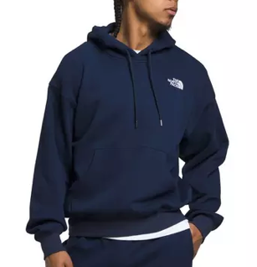
PICTURE | D E S C R I P T I O N | Style Code | Color | s | M | L | XL | TOTAL | PCS/ | NO. OF | TOTAL | OFFER PRICE
 |  | # |  |  |  |  |  | PCS | BOX | BOXES | BOXES
 | 787 CARTONS

 | MEN'SFLEECE NORTH FACE HOOD | MNF1FSLE | BLACK | 24 | 48 | 48 | 24 | 144 | 24 | 1-54 | 6
 |  | MNF1FSLE | NAVY | 92 | 184 | 184 | 92 | 552 | 24 | 55-112 | 23
 | 24 PC SOLID COLOR ASST SIZE TO | MNF1FSLE | SKY | 84 | 168 | 168 | 84 | 504 | 24 | 113-168 | 21
 | EXPORT CARTON. | MNF1FSLE | SAND | 168 | 336 | 336 | 168 | 1,008 | 24 | 169-220 | 42
 |  | MNF1FSLE | CHARCOAL | 60 | 120 | 120 | 60 | 360 | 24 | 221-270 | 15
 |  | MNF1FSLE | MIX | 8 | 16 | 16 | 8 | 48 | 24 | 271-272 | 2 |  | SPORT CHEK
 |  |  | Total | 436 | 872 | 872 | 436 | 2,616 |  |  | 109 | $19.00 | $80.00

